Application
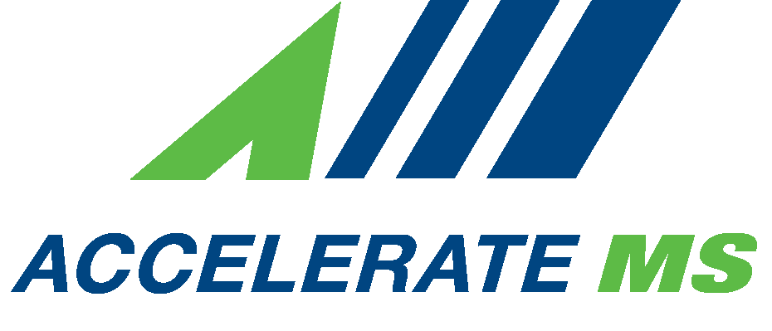 |  | EquipMS Mississippi K-12 Grant Proposal

DIRECTIONS: Applicants must complete this form and email the Excel file to grants@acceleratems.org. Your application should be saved and attached to the email as "Center Name Progam Name.xlsx"
(example: Dallas CTC Welding.xlsx).
BACKGROUND AND OVERVIEW
The EquipMS Grant program, established in 2023 through House Bill 588 as the Mississippi K-12 Workforce Development Grant program, provides Public Mississippi Secondary School Districts Career Technical programs the opportunity to modernize, replace, or otherwise enhance priority sector high school programs. For this award cycle, priority sector programs include those leading to occupations in Advanced Manufacturing and non-Carpentry related Construction Trades. Priority will be given to new and converting programs in these high-quality CTE pathways. Average awards will range between $25,000 and $150,000 with a period of performance of not more than one calendar year. Priority will be given to schools who are actively partnered with priority sector companies to produce talent. Documented match funding is strongly recommended. Requests should detail the sustainability beyond the life of the grant.

NOTE: This grant is only available on a reimbursement basis.
Eligibility: Public Mississippi Secondary School Districts that currently operate, or will begin in School Year 2026–2027, a program aligned with a priority occupation as identified by AccelerateMS are eligible to apply. Programs that have an open EquipMS grant are not eligible to apply during this award cycle. Other entities that facilitate industry-led training aligned with a priority occupation identified by AccelerateMS may apply in consortium with an eligible Public Mississippi Secondary School District.

IMPORTANT DATES AND DEADLINES:
Event |  |  | Date/Deadline
Release of RFA |  |  | 2026-03-10
Deadline for Submission |  |  | 2026-05-08
Award Notification |  |  | 2026-05-22

APPLICANT INFORMATION
Organization Contact Information - For the purpose of the application, this is the individual employed by the requesting organization that will serve as the primary point of contact.

School Name: |  |  |  | County in which center is located:
Name of contact: |  |  |  | Address:
Email: |  |  |  | City:
Phone: |  |  |  | State: | Mississippi |  | Zip:
Schools Served by Career Technical Program:

Deadline for submission via email to grants@acceleratems.org:
Wednesday, May 8, 2026, 5:00 pm CT
Complete the following:
**Indicate if this program is: ______NEW ______CONVERSION ______EXISTING
1. Identify the name and purpose of the career technical program for which you are requesting funding.

2. Anticipated or current enrollment for program.

3. Define the need for this program within the local workforce. What career pathways are most crucial in the surrounding area? What companies employ individuals with this training?

4. Describe your plan for sustaining this program beyond the life of the grant.

PROGRAM SCHEDULE:
Program Dates:
Date of Program Launch: |  |  | Key deliverables and schedule of grant-related activities. Projects are funded for not more than eighteen months.

Budget. Please provide an overview of the budget.
Equipment Narrative and Cost
Items requested must relate directly to the training aspect of the program. Costs must be itemized.
Item Requested | # of Items | Unit Cost |  | Total: Provide accurate cost estimates for each line item based on market research or vendor quotes. |  | Other Funds Contributed to Purchase | Amount Requested from AccelerateMS | Narrative: Explain how expenditures contribute to project goals, and how they align with funding guidelines
Ex: CNC Machine | 1 | $22,000.00 |  | $22,000.00 |  | $5,000 Local Funds | $17,000.00 | CNC Machinery is necessary to support new machining program that will train 20 students per semester for an annual total of 40 students. Students will be prepared to enter additional postsecondary training or enter the workforce directly as entry level machine operators. Machinists and machine operators are in great need with 200 openings annually in the region. Program is supported by partnerships with company A and company B who regularly engage with the program through the CTE advisory group as well as classroom interactions and have donated a combined $5,000 to support this purchase.

Total Amount Requested: |  |  | $0.00

FOR ACCELERATEMS USE ONLY: |  |  |  | AccelerateMS Recommendations (Check One):
Date Received: |  |  |  | Approve |  | Not Approve
Project Number: |  |  |  | Approve with Stipulations

SUBMISSION CONSENT
VII. Consent. For the purpose of this submission, the signee will give institutional consent, commitment, and support for this program.

Commitment by the Signee:
Comply with purchasing requirements and limitations under Chapter 39, Title 37, Mississippi Code of 1972.
Provide data to AccelerateMS as deemed necessary and to include onsite audits by AccelerateMS staff.

SIGNATURE:
Institutional Responsibility - I certify that the information in this proposal is complete and correct. I have the responsibility for the implementation and support of this project. My organization will comply with all applicable laws, regulations, and/or other funding guidelines as applicable to the EquipMS Grant.

X |  |  |  |  |  | Date
 |  |  |  |  |  |  |  |  | (Rev. 03/2026)

